Layout
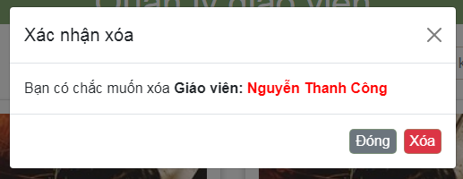
6.3.1 Danh sách giáo viên

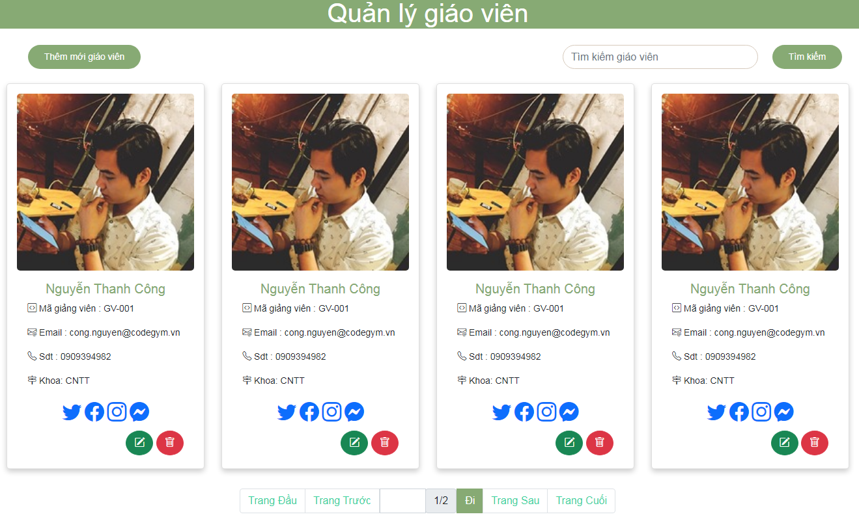

6.3.4 Xoá thông tin giáo viên

